Sheet1
DATE | INV NO. | DESCRIPTIONS | QTY | BILLS | PRICE | TOTAL
8-Dec-2025 | PLM-INV4742/2025 | ISOLA RISERVA SYRAH 750ML | 3 | 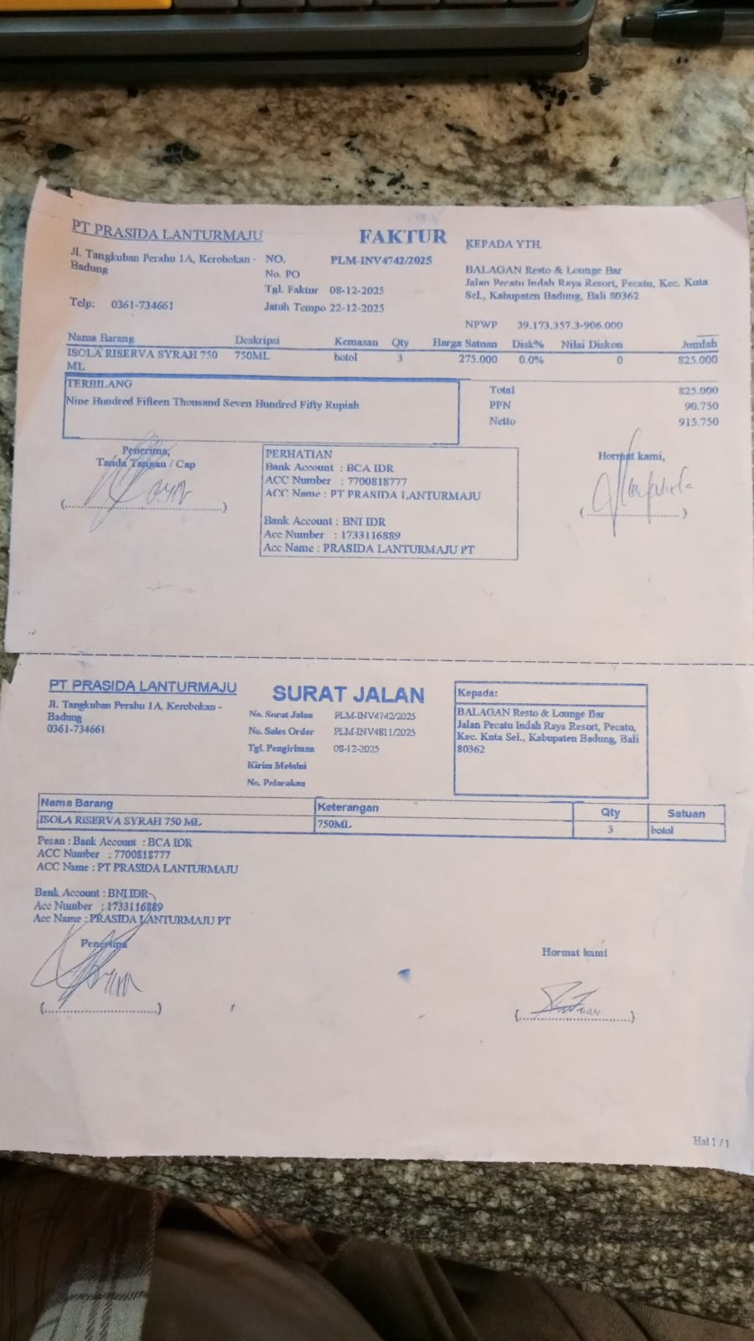 | IDR 275,000 | IDR 825,000
SUBTOTAL |  |  | 3 |  | PPN | Rp90,750
TOTAL |  |  |  | Rp915,750

TOTAL |  |  |  | Rp-
GRAND TOTAL |  |  |  | Rp915,750

